dbt configurations
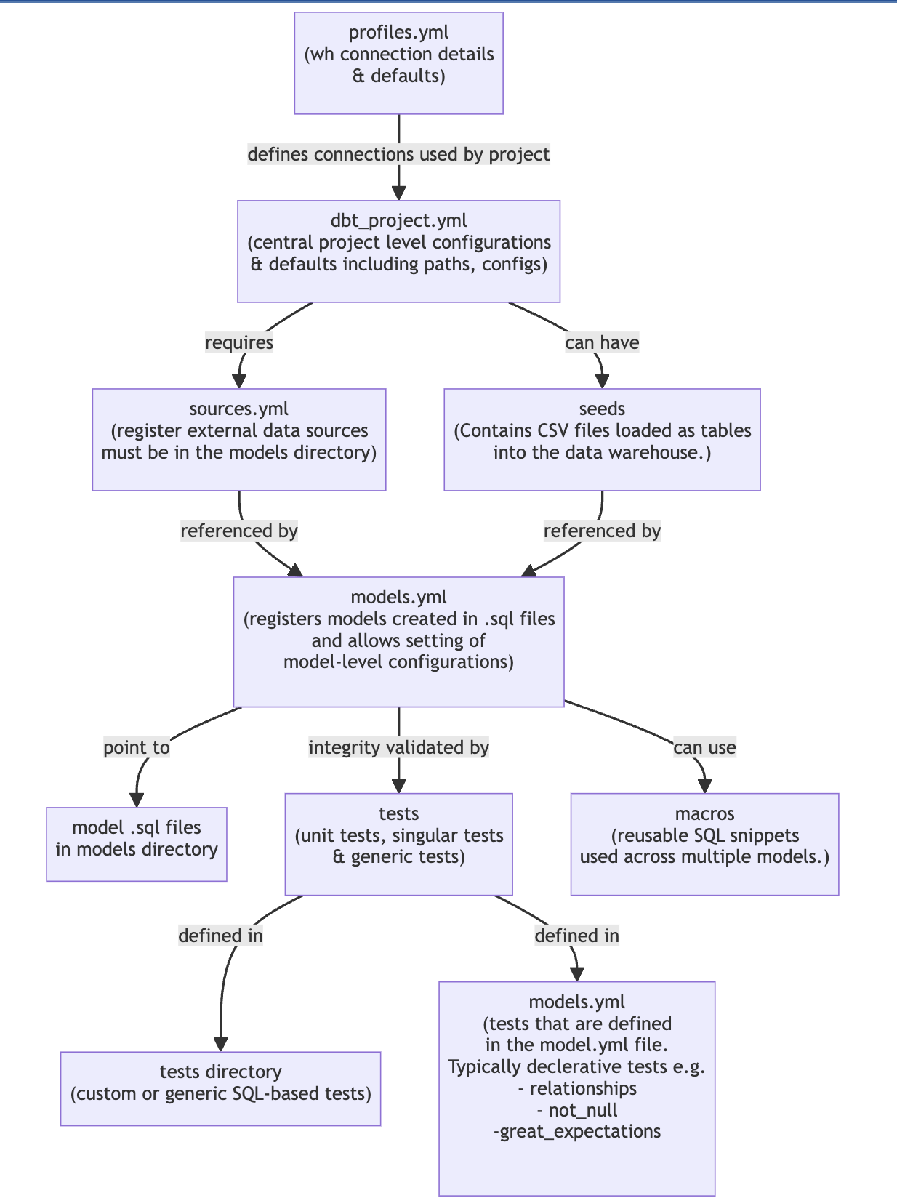
 |  |  |  | DBT Conceptual model:
Level | Configuration | Description | Precedence
profiles.yml | Connection Details | Database type (e.g., postgres, snowflake), Host, Warehouse, User, Password, Database name, Schema, Port, Threads, Env | Lowest
dbt_project.yml | Project Configurations | Project name, Version, Profile, Tags, Paths (models, seeds, tests, analysis, macros, snapshots, target, clean), Schema, Tests | Higher than profiles.yml
*_models.yml | Model Configurations | Materialized (view, table), Description, Tags, Meta, Columns (descriptions, tests), Config (pre-hooks, post-hooks) | Higher than dbt_project.yml
{ config() } | Inline Configurations | Materialized, Pre-hook, Post-hook, Schema, Alias, Tags, Meta, Full_refresh, Unique_key | Highest

